GG
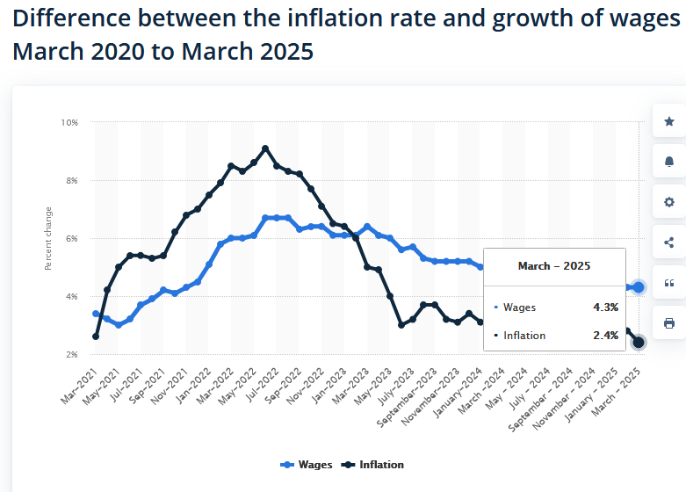
Wage Growth vs. Inflation – March 2025
Chart Data
MaxPoor | 2.30%
MaxOK | 6.00% |  |  | What are three things you can do to improvement the bullet graph?
Actual | 4.30%
Target | 2.40% |  |  | 1. Add a Descriptive Title
 |  |  |  | 2 Add a Text Label
For SERIES formulas |  |  |  | 3. Add legends
Target Value | 2.40% |  |  | 4. Clarify Terget and Actual Values
Target Category | 2 |  |  | 5. Improve visual contrast

 | BarAct | BarPoor | BarOK
Gradations | 0.00% | 2.30% | 3.70%
Actual | 4.30% | 0.00% | 1.70%
Gradations | 0.00% | 2.30% | 3.70%

